Sheet1


 |  |  |  |  |  |  |  |  |  | 2024-12-03

Project: Bank Al Habib Limited 12th Floor

RATE ANALYSIS
Chilled water pipe Insulation

S. # | Description | Material Rate | Cladding (Material + labour) | Wastage 05% | Cons Glue / Tape 10% | Over Head profit 25% | Total Rate | Unit | Qty | Amount
 | Brand: XLPE Aerofoam
 | Aerofoam insulation on chilled water pipe.
i | 25mm dia | 1,463 | 600 | 103 | 206 | 593 | 2,966 | Rft | 1 | 2,966 | 6200 | 1240 | 1,463
ii | 32mm dia | 1,859 | 650 | 125 | 251 | 721 | 3,606 | Rft | 1 | 3,606 | 7875 | 1575 | 1,859
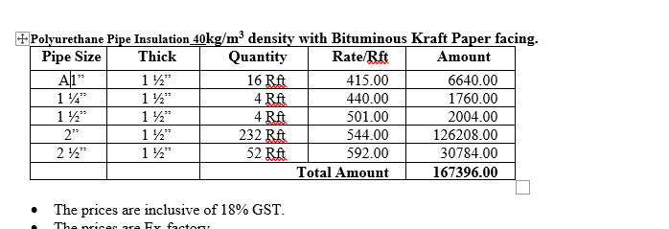
iii | 40mm dia | 1,982 | 700 | 134 | 268 | 771 | 3,856 | Rft | 1 | 3,856 | 8400 | 1680 | 1,982
iv | 50mm dia | 2,129 | 725 | 143 | 285 | 820 | 4,102 | Rft | 1 | 4,102 | 9020 | 1804 | 2,129
v | 60mm dia | 2,384 | 750 | 157 | 313 | 901 | 4,505 | Rft | 1 | 4,505 | 10100 | 2020 | 2,384

S. # | Description | Material Rate | Cladding (Material + labour) | Wastage 05% | Cons Glue / Tape 10% | Over Head profit 25% | Total Rate | Unit | Qty | Amount
 | Brand: PU
 | Polyurethane insulation (PU) on chilled water pipe.
i | 25mm dia | 560 | 600 | 58 | 116 | 334 | 1,668 | Rft | 1 | 1,668 | 2390 | 478 | 564
ii | 32mm dia | 610 | 650 | 63 | 126 | 362 | 1,811 | Rft | 1 | 1,811 | 2725 | 545 | 643
iii | 40mm dia | 665 | 700 | 68 | 137 | 392 | 1,962 | Rft | 1 | 1,962 | 2975 | 595 | 702
iv | 50mm dia | 690 | 725 | 71 | 142 | 407 | 2,034 | Rft | 1 | 2,034 | 3350 | 670 | 791
v | 60mm dia | 785 | 750 | 77 | 154 | 441 | 2,207 | Rft | 1 | 2,207 | 3800 | 760 | 897

Note: Suppliers' quotations attached.

